Eye-tracking details
Technical details eye-tracking setup - Example

Lab name | babylab-brookes
Eye-tracking system | Tobii Tx-300

Screen resolution in pixels
Width | 1280
Height | 720
Screen dimensions in mm
Width | 510
Height | 330
Distance at which the infant was seated from the screen in mm
distance | 65
Samplerate of the eye-tracker in Hz
samplerate | 120

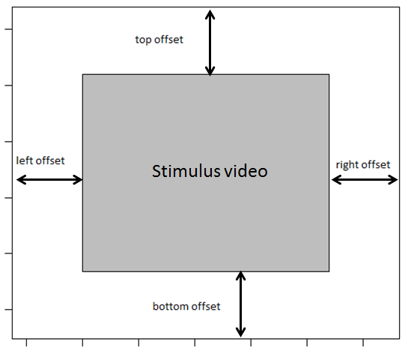
Variable names
Please specify the names of the variables in the raw eye-tracking data file that refer to the:

Participant ID | Name
Stimuli | MediaName
Trial | SudioProjectName

AOI information
Please specify where the stimulus video was located on the screen, see figure

left offset in pixels | 0
right offset in pixels | 0
top offset in pixels | 0
bottom offset in pixels | 0

Was the stimulus video presented as described in this document:
https://docs.google.com/spreadsheets/d/1iu16TyhN314nUV3a5oGx4oHPnXf39-rzmQa4Psj7pD0/
 | Yes

